Bug Report1
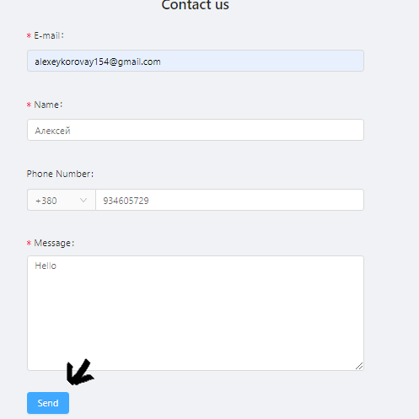
Summary | PreConditions | Steps to Reproduce | Actual result | Expected result | Severity | Priority | Attachment
Contact us: the button "Send" is invalid | Go on the website http://test-cases-west.s3-website.eu-central-1.amazonaws.com/ | S1. Open the tab contact us | Message not sent | Message sent | Major | Medium
 |  | S2. Fill in the email field
 |  | S3. Fill in the field name
 |  | S4. Fill in the phone number field
 |  | S5. Fill in the message field
 |  | S6. Click on the send button

Bug Report2
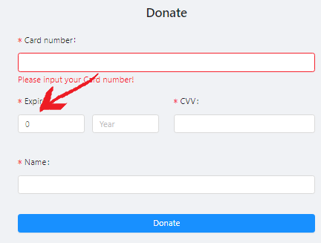
Summary | PreConditions | Steps to Reproduce | Actual result | Expected result | Severity | Priority | Attachment
Donate form: absent validation of month field | Go on the website http://test-cases-west.s3-website.eu-central-1.amazonaws.com/ | S1. Open donate form | No error message displayed | Data entry error message should be displayed | Critical | Medium
 |  | S2. Enter the number 0 or 13 in the field
 |  | S3. Go to next field

Bug Report3
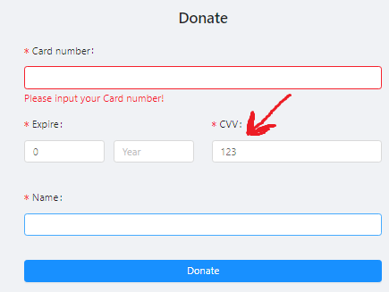
Summary | PreConditions | Steps to Reproduce | Actual result | Expected result | Severity | Priority | Attachment
Donate form: numbers in the CVV field are not hide | Go on the website http://test-cases-west.s3-website.eu-central-1.amazonaws.com/ | S1. Open donate form | The entered number is not hidden | The entered number is encrypted | Critical | Medium
 |  | S2. Enter in the CVV field a three-digit number 123

Bug Report4
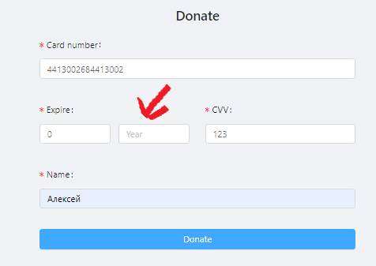
Summary | PreConditions | Steps to Reproduce | Actual result | Expected result | Severity | Priority | Attachment
Donate form: there is no error message in the year field if it is empty | Go on the website http://test-cases-west.s3-website.eu-central-1.amazonaws.com/ | S1. Open donate form | No error message displayed | A message should appear asking you to enter data | Critical | Medium
 |  | S2. Fill in the card number field
 |  | S3. Fill in the field month
 |  | S4. Leave the year field blank

No error message appears in the year field in the donate form when the field is left blank

Bug Report5
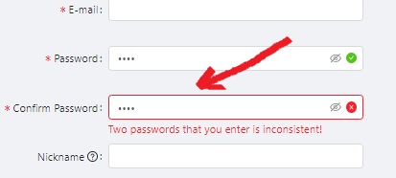
Summary | PreConditions | Steps to Reproduce | Actual result | Expected result | Severity | Priority | Attachment
Registration: Error of password checking during entering Confirm password | Go on the website http://test-cases-west.s3-website.eu-central-1.amazonaws.com/ | S1. Open registration form | Gives an error that two passwords are inconsistent | Cheking of Confirmed password should be passed succsesfully | Blocker | Medium
 |  | S2. In the password field, enter 1234
 |  | S3. In the password confirmation field, enter 1234

Bug Report6
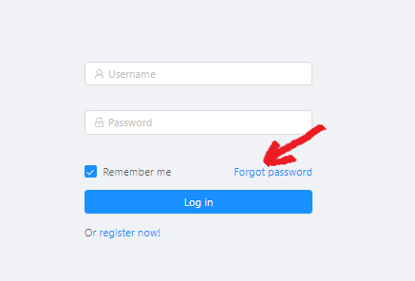
Summary | PreConditions | Steps to Reproduce | Actual result | Expected result | Severity | Priority | Attachment
Login page: the button "Forgot password" is invalid | Go on the website http://test-cases-west.s3-website.eu-central-1.amazonaws.com/ | S1. Open login form | Password recovery form does not open | The password recovery form should open | Critical | Medium
 |  | S2. Click on the forgot password button

Bug Report7
Summary | PreConditions | Steps to Reproduce | Actual result | Expected result | Severity | Priority | Attachment
Registration form: Both Age boxes can be selected | Go on the website http://test-cases-west.s3-website.eu-central-1.amazonaws.com/ | S1. Open registration form | You can choose any age | Only one age selection should be available | Major | Medium
 |  | S2. Select checkbox <18
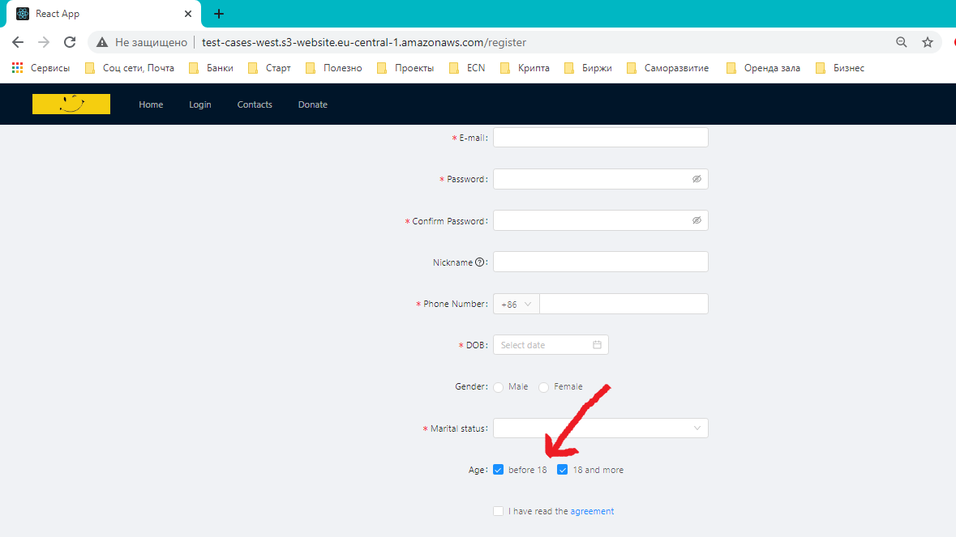
 |  | S3. Select checkboxb>18

